Table 1
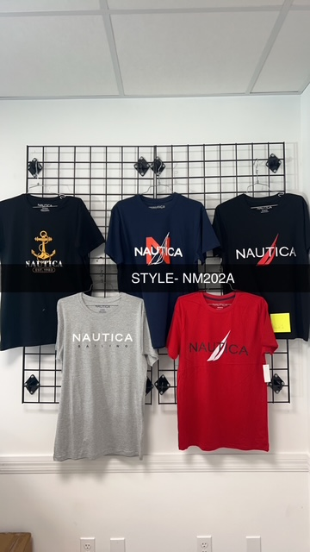
PACKING LIST
NAUTICA TEES. NM-202
CTN NO | COLORS | S | M | L | XL | 2XL |  | TTL CTN | PCS/CTN | TTL PCS
1-180 | BLACK-1 | 1 | 2 | 4 | 2 | 3 | 12 | 135 | 48 | 6480
A | NAVY-1 | 1 | 2 | 3 | 3 | 3 | 12
 | BLACK-2 | 1 | 2 | 1 | 2 | 2 | 8
 | GREY | 1 | 2 | 2 | 1 | 2 | 8
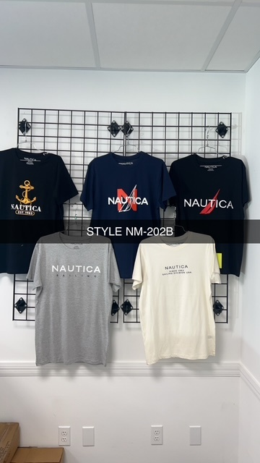
 | RED | 1 | 1 | 2 | 2 | 2 | 8
181-249 | BLACK-1 | 1 | 2 | 4 | 2 | 3 | 12 | 67 | 48 | 3216
B | NAVY-1 | 1 | 2 | 3 | 3 | 3 | 12
 | BLACK-2 | 1 | 2 | 1 | 2 | 2 | 8
 | GREY | 1 | 2 | 2 | 1 | 2 | 8
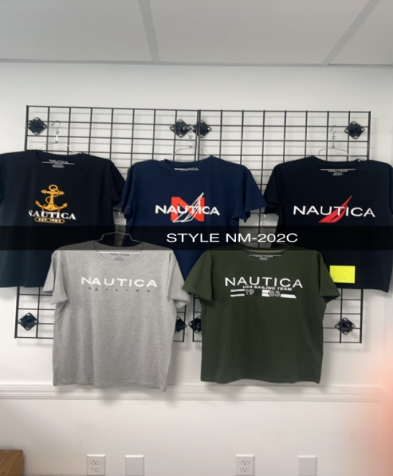
 | OFFWHITE | 1 | 2 | 2 | 2 | 1 | 8
250-267 | BLACK-1 | 1 | 2 | 4 | 2 | 3 | 12 | 13 | 48 | 624
C | NAVY-1 | 1 | 2 | 3 | 3 | 3 | 12
 | BLACK-2 | 1 | 2 | 1 | 2 | 2 | 8
 | GREY | 1 | 2 | 2 | 1 | 2 | 8
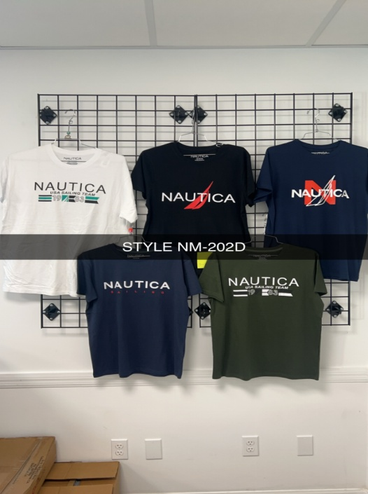
 | GREEN | 1 | 1 | 2 | 2 | 2 | 8
268-293 | WHITE | 2 | 4 | 2 | 2 | 2 | 12 | 23 | 48 | 1104
D | BLACK-2 | 1 | 2 | 1 | 2 | 2 | 8
 | NAVY-1 | 1 | 2 | 3 | 3 | 3 | 12
 | NAVY-2 | 1 | 1 | 2 | 2 | 2 | 8
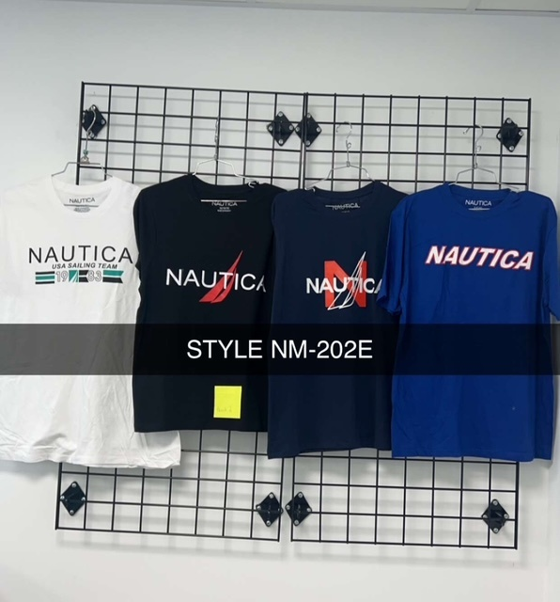
 | GREEN | 1 | 1 | 2 | 2 | 2 | 8
294-341 | WHITE | 2 | 4 | 2 | 2 | 2 | 12 | 21 | 48 | 1008
E | BLACK-2 | 1 | 2 | 1 | 2 | 2 | 8
 | NAVY-2 | 1 | 1 | 2 | 2 | 2 | 8
 | ROYAL | 1 | 2 | 3 |  | 2 | 8
 | WHITE | 2 | 4 | 2 | 2 | 2 | 12
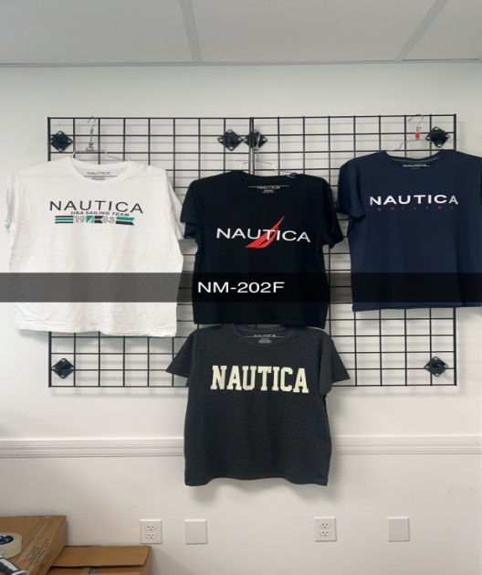
342-366 | WHITE | 1 | 4 | 4 | 3 |  | 12 | 15 | 48 | 720
F | BLACK-2 | 1 | 2 | 1 | 2 | 2 | 8
 | NAVY-2 | 1 | 1 | 2 | 2 | 2 | 8
 | CHARCOAL | 1 | 2 | 2 | 2 | 1 | 8
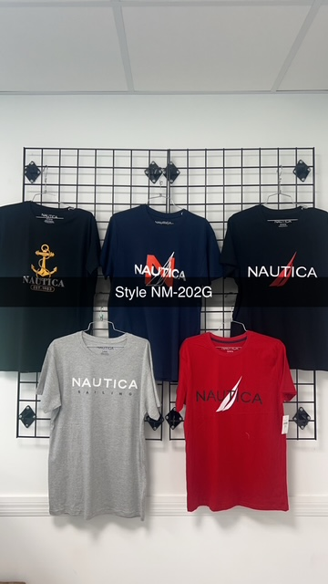
 | WHITE | 1 | 4 | 4 | 3 |  | 12
367-379 | BLACK-1 | 1 | 2 | 4 | 2 | 3 | 12 | 5 | 48 | 240
G | NAVY-1 | 1 | 2 | 3 | 3 | 3 | 12
 | BLACK-2 | 1 | 2 | 1 | 2 | 2 | 8
 | GREY | 1 |  | 3 | 2 | 2 | 8
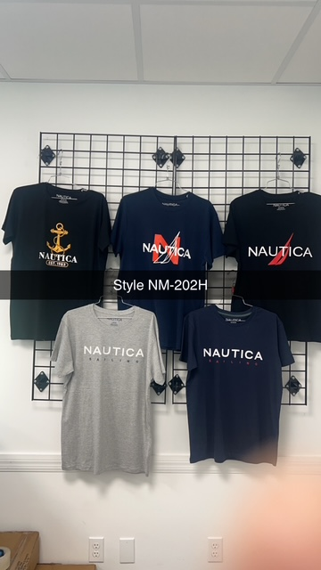
 | RED | 1 | 1 | 2 | 2 | 2 | 8
380-389 | BLACK-1 | 1 | 2 | 4 | 2 | 3 | 12 | 7 | 48 | 336
H | NAVY-1 | 1 | 2 | 3 | 3 | 3 | 12
 | BLACK-2 | 1 | 2 | 1 | 2 | 2 | 8
 | GREY | 1 |  | 3 | 2 | 2 | 8
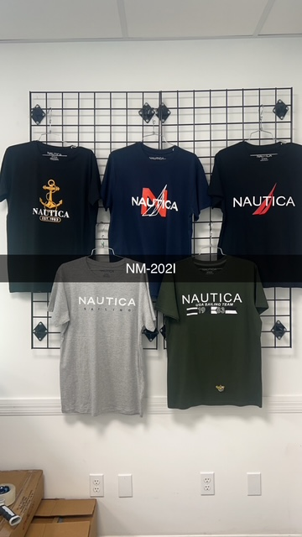
 | NAVY-2 | 1 | 1 | 2 | 2 | 2 | 8
390-432 | BLACK-1 | 1 | 2 | 4 | 2 | 3 | 12 | 29 | 48 | 1392
I | NAVY-1 | 1 | 2 | 3 | 3 | 3 | 12
 | BLACK-2 | 2 | 2 | 2 | 2 |  | 8
 | GREY | 1 | 2 | 2 | 1 | 2 | 8
 | GREEN |  | 1 | 1 | 3 | 3 | 8
TOTAL CTN AND QTY |  |  |  |  |  |  |  | 315 |  | 15120

